map
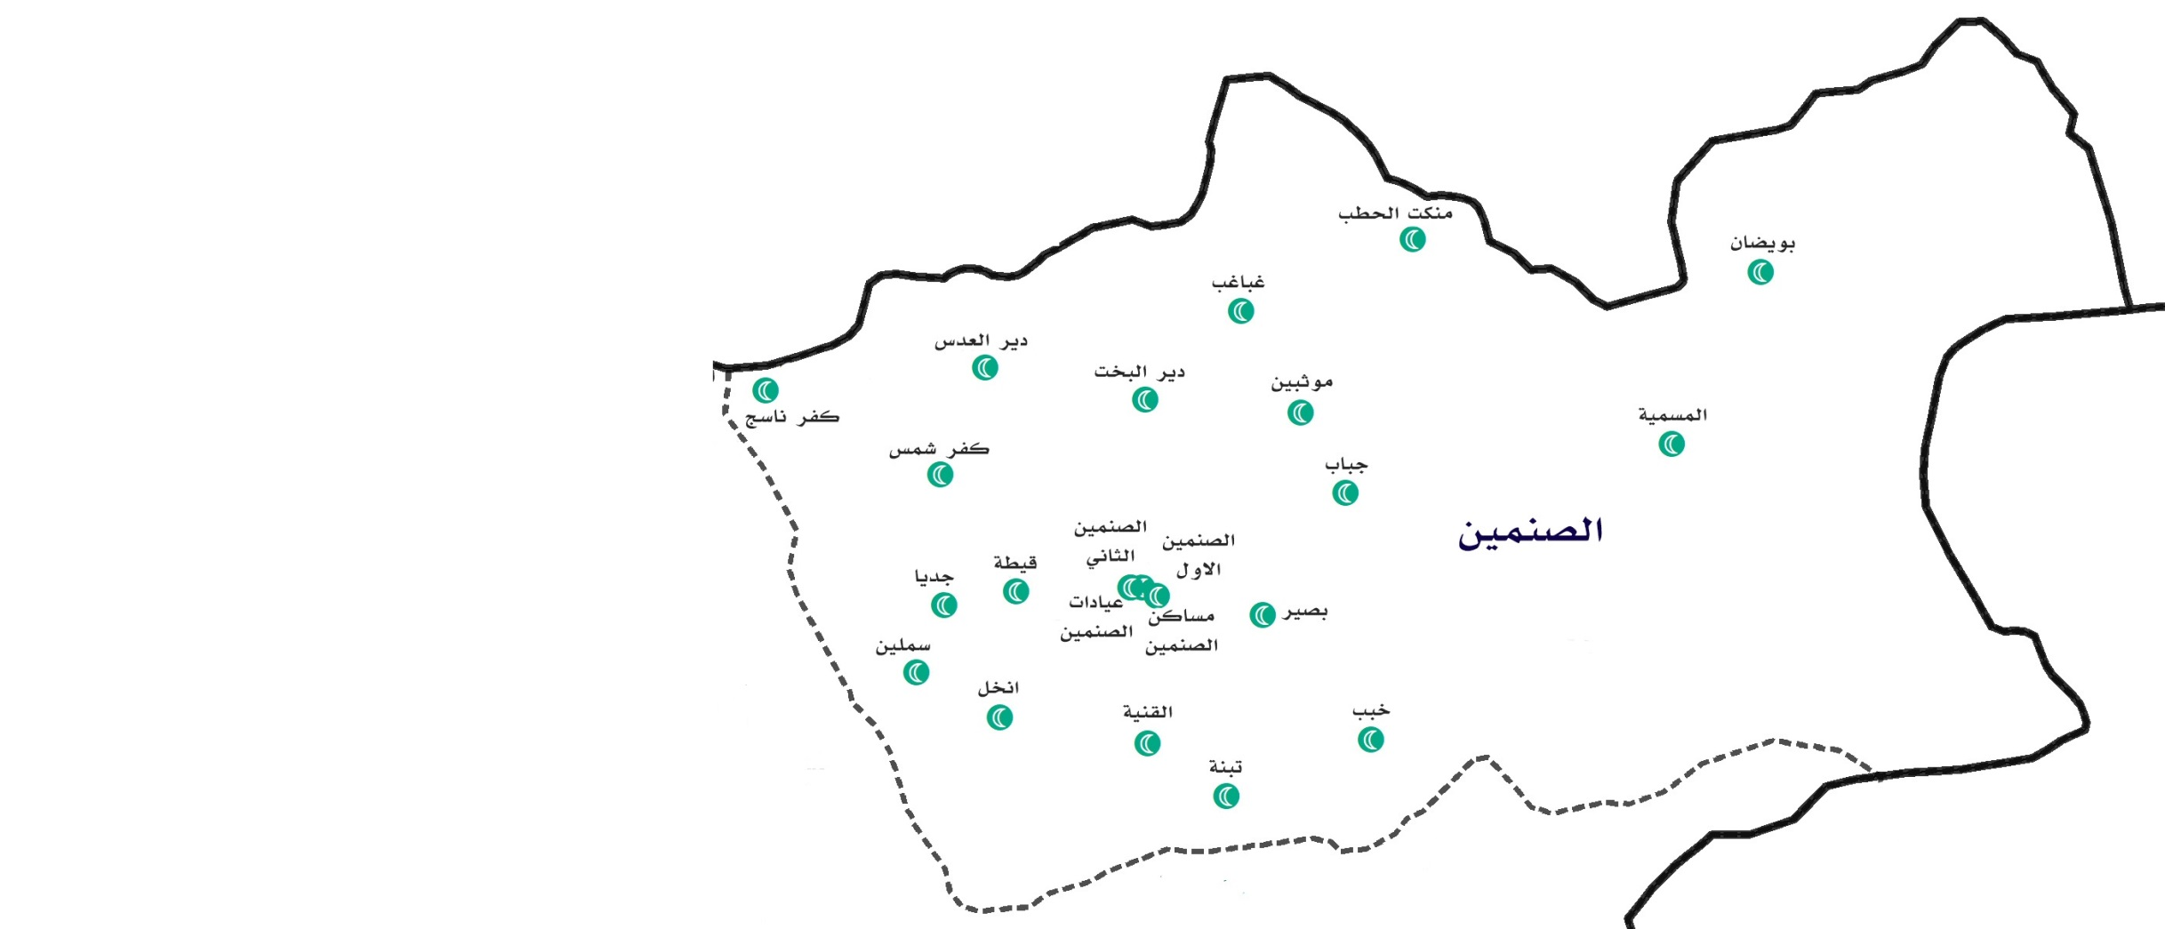

Masmiyyeh | PF
Ghabagheb | NF
Mankat Elhatab | FF
Bweidan | PF

