Sheet1
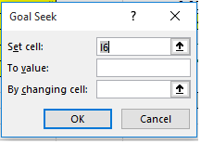
1 | 5 | 6

