Sheet2
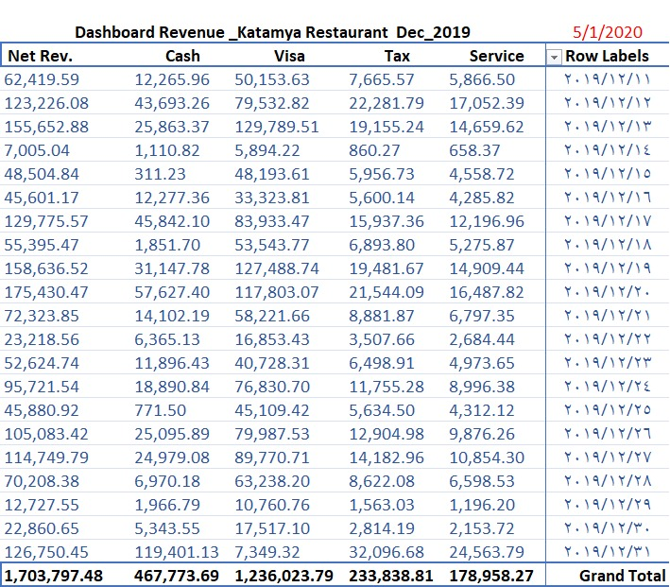

Row Labels | Sum of Net food | Sum of Net Beverage | Sum of Net Misc | Sum of Net Tobacco | Sum of Service | Sum of Tax
2019 | 792903.15 | 456344.18 | 342745.85 | 5996.81 | 178958.2704 | 233838.80666
Qtr4 | 792903.15 | 456344.18 | 342745.85 | 5996.81 | 178958.2704 | 233838.80666
Dec | 792903.15 | 456344.18 | 342745.85 | 5996.81 | 178958.2704 | 233838.80666
2020 | 607132.39 | 348765.2 | 99710.33 | 4709.28 | 116776.7568 | 152588.29555
Grand Total | 1400035.54 | 805109.38 | 442456.18 | 10706.09 | 295735.0272 | 386427.10221

المطلوب عمل التقرير كما بالصورة

