Monthly Budget Summary
الإدارة
الموازنة الشهرية |  |  |  |  | كيف اضيف او اعدل على هذه الملاحظة في عمود الجدول

BUDGET TOTALS | ESTIMATED | ACTUAL | DIFFERENCE
Income | 63,300.00 | 57,450.00 | (5,850.00)
Expenses | 54,500.00 | 49,630.00 | 4,870.00
Balance (Income minus Expenses) | 8,800.00 | 7,820.00 | (980.00)

BUDGET OVERVIEW
Budget Overview chart is in this cell. Top 5 Operating Expenses are automatically updated in Top5Expenses table, below. |  |  |  | 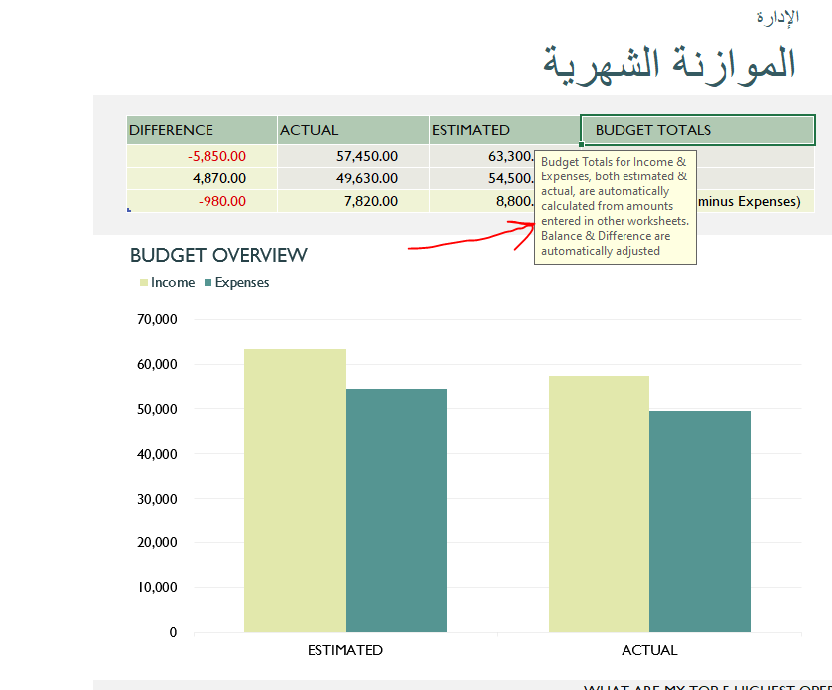
WHAT ARE MY TOP 5 HIGHEST OPERATING EXPENSES?
EXPENSE | AMOUNT | % OF EXPENSES | 15% REDUCTION
Maintenance and repairs | 4,600.00 | 9.3% | 690.00
Supplies | 4,500.00 | 9.1% | 675.00
Rent or mortgage | 4,500.00 | 9.1% | 675.00
Taxes | 3,200.00 | 6.4% | 480.00
Advertising | 2,500.00 | 5.0% | 375.00
Total | 19,300.00 | 38.9% | 2,895.00

