Sheet1
Date | Time
01-04-2024 Monday , | 07:01 14:13 15:04 15:24 15:56 | 07:01 | 15:56
02-04-2024 Tuesday | 07:36 13:26 | 07:36 | 13:26
03-04-2024 Wednesda | 06:53 | 06:53
04-04-2024 Thursday | 07:10 13:36 | 07:10 | 13:36
05-04-2024 Friday ,
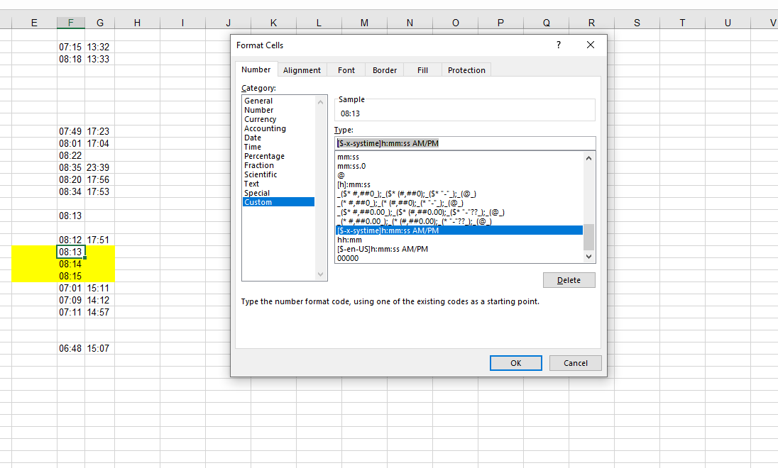
06-04-2024 Saturday | 07:15 13:32 | 07:15 | 13:32
07-04-2024 Sunday , | 08:18 13:33 | 08:18 | 13:33
08-04-2024 Monday ,
09-04-2024 Tuesday
10-04-2024 Wednesda
11-04-2024 Thursday
12-04-2024 Friday ,
13-04-2024 Saturday | 07:49 17:23 | 07:49 | 17:23
14-04-2024 Sunday , | 08:01 17:04 | 08:01 | 17:04
15-04-2024 Monday , | 08:22 | 08:22
16-04-2024 Tuesday | 08:35 18:59 23:31 23:39 | 08:35 | 23:39
17-04-2024 Wednesda | 08:20 17:56 | 08:20 | 17:56
18-04-2024 Thursday | 08:34 17:53 | 08:34 | 17:53
19-04-2024 Friday ,
20-04-2024 Saturday | 08:13 | 08:13
21-04-2024 Sunday ,
22-04-2024 Monday , | 08:12 08:33 17:51 | 08:12 | 17:51
23-04-2024 Tuesday | 08:13 | 08:13
24-04-2024 Wednesda | 08:14 | 08:14
25-04-2024 Thursday | 08:15 | 08:15
26-03-2024 Tuesday | 07:01 15:11 | 07:01 | 15:11
27-03-2024 Wednesda | 07:09 14:12 | 07:09 | 14:12
28-03-2024 Thursday | 07:11 14:57 | 07:11 | 14:57
29-03-2024 Friday ,
30-03-2024 Saturday
31-03-2024 Sunday , | 06:48 14:43 15:07 | 06:48 | 15:07

